Sheet1 (2)
Shenzhen Chunwang Environmental Protection Technology Co.,Ltd. 深圳春旺环保科技股份有限公司 Head office:9F,Shihong Building,Bixin RD,Longgang Dist,Shenzhen China. 行政中心：深圳市龙岗区碧新路世宏大厦9楼 Factory:Tongle Sixth Industrial Area,Longgang Dist,Shenzhen China. 制造中心：深圳市龙岗区同乐第六工业区
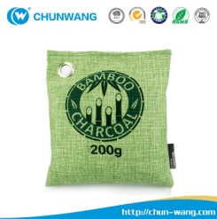 | Product name | Car deodorizer bag | 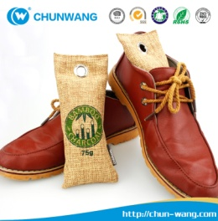 | Product name | Shoe deodorizer bag
 | Product No. | D1 |  | Product No. | D2
 | N.W. | 200g |  | N.W. | 75g*2
 | Size | 16.5x18.5cm |  | Size | 8x19cm
 | Usage | new home,car, bookcase,ect |  | Usage | bedroom,kitchen, bags,ect
 | OEM | Welcome |  | OEM | Welcome

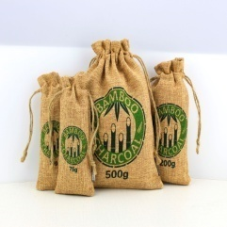 | Product name | Home deodorizer bag | 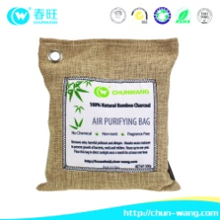 | Product name | Home deodorizer bag
 | Product No. | D3 |  | Product No. | D4
 | N.W. | 75g 200g 500g |  | N.W. | 200g 500g
 | Size | 8x19cm 16.5x18.5cm 23.5*26cm |  | Size | 16.5*18.5cm 23.5*26cm
 | Usage | car,home, facoty,office,ect |  | Usage | Home,bedroom,hotel,ect
 | OEM | Welcome |  | OEM | Welcome

 | Product name | Lemon Refrigerator |  | Product name | Car Deodorizer bag
 | Product No. | D5 |  | Product No. | D6
 | N.W. | 100g |  | N.W. | 50g
 | Size | 8cm*9cm |  | Size | 4cm*7cm
 | Usage | keeping refrigerator fresh |  | Usage | boots,shoes,bookcases,ect
 | OEM | Welcome |  | OEM | Welcome

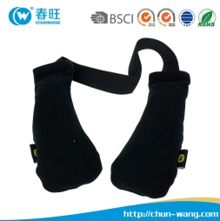 | Product name | Shoes Gloves Deodorizer bag |  | Product name | Refrigerator deodorizer box
 | Product No. | D7 |  | Product No. | D8
 | N.W. | 75g*2 |  | N.W. | 60g
 | Size | 80*190mm |  | Size | 125*70mm
 | Usage | keeping shoes gloves fresh |  | Usage | keeping refrigerator fresh
 | OEM | Welcome |  | OEM | Welcome
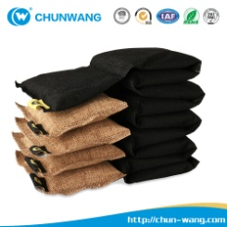 | Product name | Home deodorizer bag | 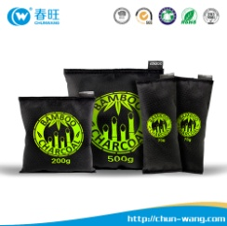 | Product name | Car deodorizer bag
 | Product No. | D9 |  | Product No. | D10
 | N.W. | 700g |  | N.W. | 75g 200g 500g
 | Function | Absorb bad smell ,keeping car fresh |  | Size | 8x19cm 16.5x18.5cm 23.5*26cm
 | Usage | warehouse,facotry,car,ect |  | Usage | factory, home,car,ect
 | OEM | Welcome |  | OEM | Welcome

